Metrics and Plots
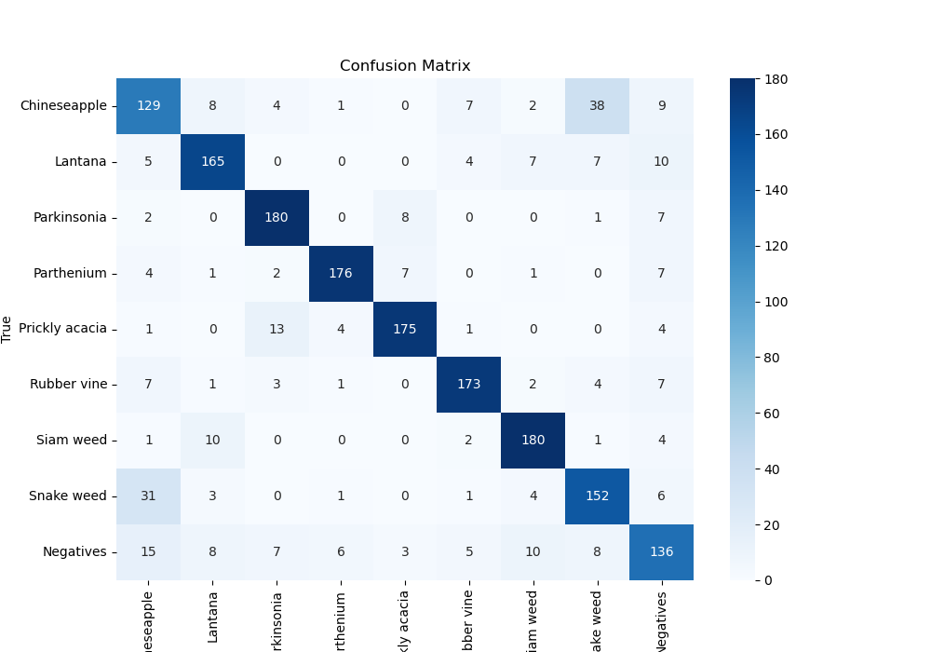
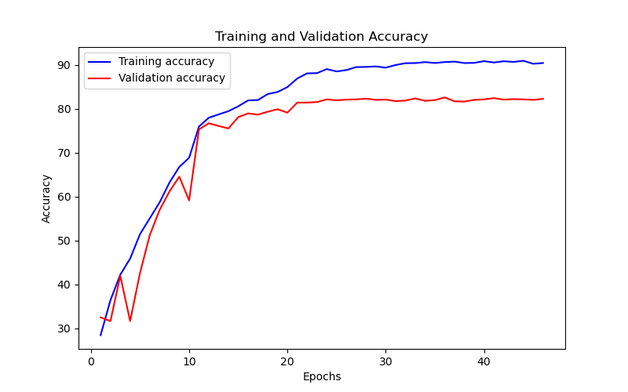
Epoch | Train Accuracy | Train Loss | Validation Accuracy | Validation Loss
1 | 28.44 | 2.132 | 32.491582492 | 1.822
2 | 36.41 | 1.778 | 31.64983165 | 9.57
3 | 42.22 | 1.594 | 41.975308642 | 1.649
4 | 45.87 | 1.476 | 31.64983165 | 4.63
5 | 51.43 | 1.319 | 42.53647587 | 1.617
6 | 55.06 | 1.212 | 51.234567901 | 1.437
7 | 58.69 | 1.125 | 56.958473625 | 1.247
8 | 63.19 | 1.022 | 61.167227834 | 1.058
9 | 66.76 | 0.933 | 64.534231201 | 1.028
10 | 68.84 | 0.876 | 59.147025814 | 1.312
11 | 75.96 | 0.703 | 75.308641975 | 0.712
12 | 77.96 | 0.65 | 76.711560045 | 0.676
13 | 78.73 | 0.614 | 76.094276094 | 0.666
14 | 79.46 | 0.597 | 75.533108866 | 0.684
15 | 80.58 | 0.565 | 78.114478114 | 0.631
16 | 81.92 | 0.543 | 78.956228956 | 0.623
17 | 82.01 | 0.522 | 78.675645342 | 0.609
18 | 83.36 | 0.482 | 79.349046016 | 0.59
19 | 83.84 | 0.471 | 79.910213244 | 0.586
20 | 84.96 | 0.441 | 79.124579125 | 0.591
21 | 86.91 | 0.378 | 81.425364759 | 0.533
22 | 88.08 | 0.355 | 81.425364759 | 0.531
23 | 88.13 | 0.353 | 81.537598204 | 0.532
24 | 89.05 | 0.334 | 82.154882155 | 0.535
25 | 88.52 | 0.333 | 81.930415264 | 0.532
26 | 88.83 | 0.328 | 82.098765432 | 0.53
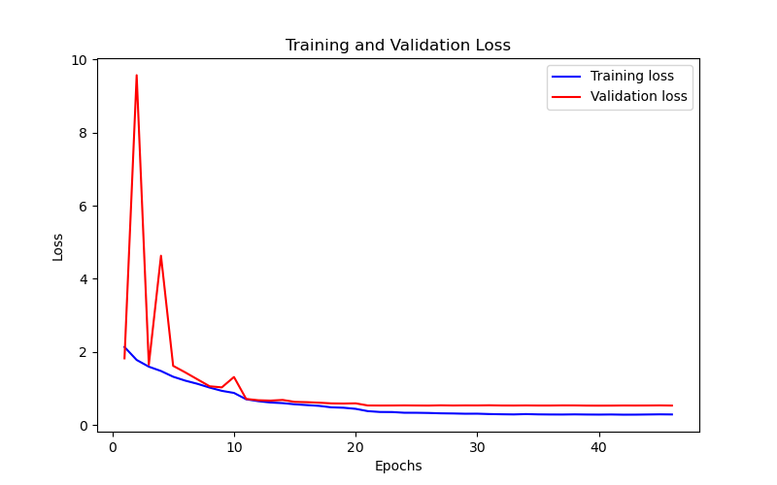
27 | 89.51 | 0.318 | 82.154882155 | 0.537
28 | 89.55 | 0.314 | 82.323232323 | 0.532
29 | 89.66 | 0.307 | 82.042648709 | 0.535
30 | 89.38 | 0.308 | 82.098765432 | 0.534
31 | 89.98 | 0.298 | 81.762065095 | 0.538
32 | 90.4 | 0.292 | 81.874298541 | 0.532
33 | 90.42 | 0.288 | 82.379349046 | 0.531
34 | 90.64 | 0.297 | 81.818181818 | 0.534
35 | 90.44 | 0.289 | 81.986531987 | 0.531
36 | 90.65 | 0.286 | 82.603815937 | 0.531
37 | 90.75 | 0.285 | 81.705948373 | 0.535
38 | 90.43 | 0.289 | 81.64983165 | 0.534
39 | 90.47 | 0.285 | 82.042648709 | 0.529
40 | 90.86 | 0.283 | 82.154882155 | 0.528
41 | 90.55 | 0.286 | 82.435465769 | 0.529
42 | 90.84 | 0.281 | 82.098765432 | 0.532
43 | 90.69 | 0.282 | 82.210998878 | 0.531
44 | 90.95 | 0.286 | 82.154882155 | 0.532
45 | 90.26 | 0.29 | 82.042648709 | 0.535
46 | 90.44 | 0.287 | 82.2671156 | 0.53

